About your area
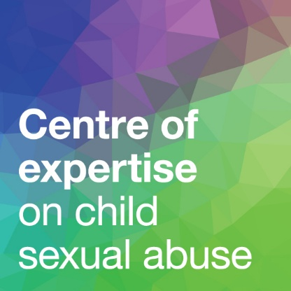
Specialist support for adult survivors of child sexual abuse: Audit tool
For advice on conducting your audit, please see Chapter 5 of
Specialist Support for Adult Survivors of Child Sexual Abuse: A Guide for Funders and Commissioners of Specialist Support Services
Your local area's name

Click here to access LG Inform so you can answer Question 1:

1. What is the level of need for support in your area? | Estimated adult population (aged 18+)
 | Estimated no. of adult survivors of child sexual abuse (= estimated adult population x 0.1) | 0

Now click here to access the CSA Centre's onine directory and find details of the services available to adult survivors in your area.

 | Go to the next sheet to enter information about these services >>>

