About your area
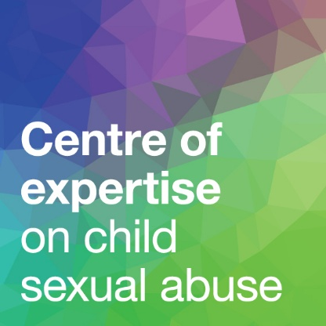
Specialist support for parents and carers of sexually abused children: Audit tool
For advice on conducting your audit, please see Chapter 5 of
Specialist Support for Parents and Carers of Sexually Abused Children: A Guide for Funders and Commissioners of Support Services
Your local area's name

Click here to access the CSA Centre's Data Insights Hub so you can answer Question 1:

1. What is the level of need for support in your area? | No. of children placed on a child protection plan last year because of sexual abuse
 | No. of children assessed as at risk of sexual abuse last year
 | No. of child sexual abuse offences recorded by the police last year
 | Estimated no. of children who are sexually abused each year in your area

Now click here to access the CSA Centre's onine directory and find details of the services available to parents and carers in your area.

 | Go to the next sheet to enter information about these services >>>

